Test Plan
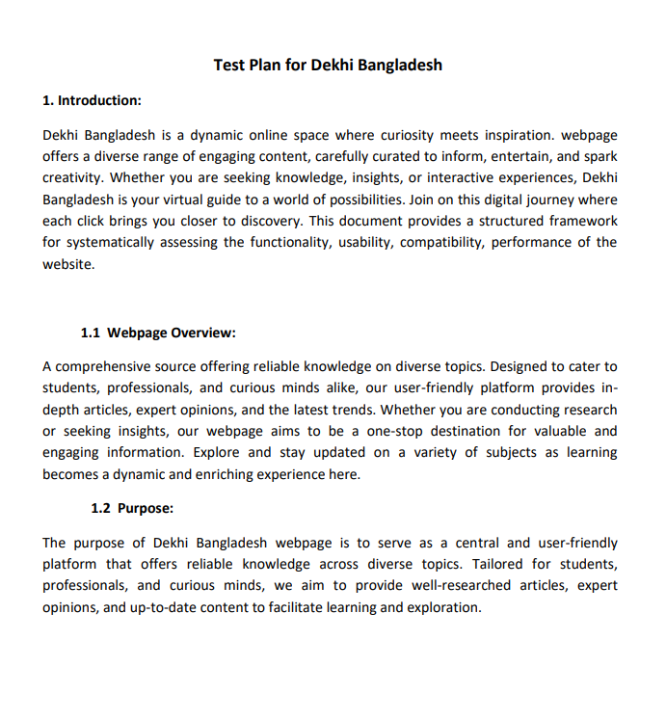

Mind Map
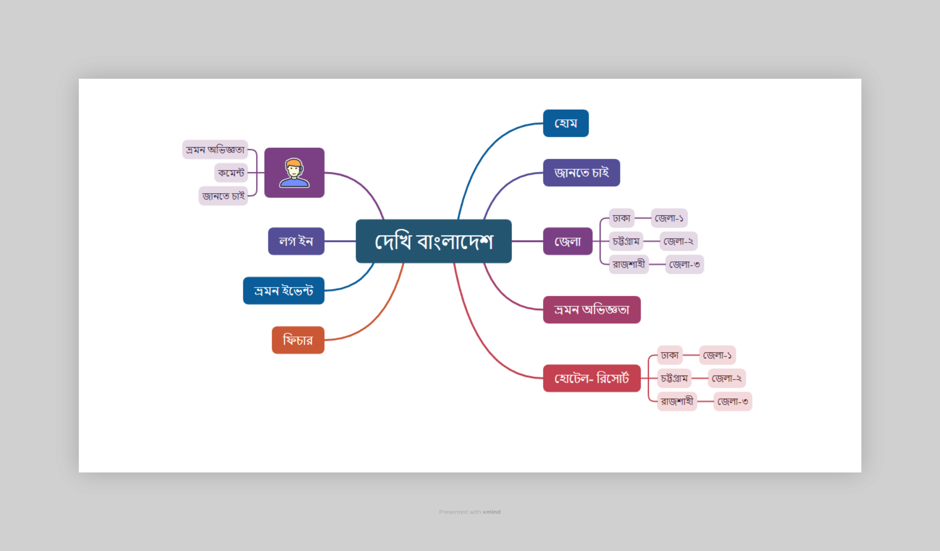
Mind Map for Dekhi Bangladesh

